Cover Sheet
Excel Code |  |  |  |  | Result
Magic-Item-Table-A | Source | Weight | ="d" & SUM(C:C) | ="!import-table --" & A2 & " --show" | Magic-Item-Table-A | Source | Weight | d100 | !import-table --Magic-Item-Table-A --show
Potion of Healing | DMG | 50 | =IF(C3=0,"-",IF(C3=1,SUM(C$1:C2)+1,SUM(C$1:C2)+1 & "-" & SUM(C$1:C3))) | ="!import-table-item --" & A$1 & " --" & A3 & " --" & C3 | Potion of Healing | DMG | 50 | 1-50 | !import-table-item --Result --Potion of Healing --50
Spell Scroll (Cantrip) | DMG | 10 | =IF(C4=0,"-",IF(C4=1,SUM(C$1:C3)+1,SUM(C$1:C3)+1 & "-" & SUM(C$1:C4))) | ="!import-table-item --" & A$1 & " --" & A4 & " --" & C4 | Spell Scroll (Cantrip) | DMG | 10 | 51-60 | !import-table-item --Result --Spell Scroll (Cantrip) --10
Potion of Climbing | DMG | 10 | =IF(C5=0,"-",IF(C5=1,SUM(C$1:C4)+1,SUM(C$1:C4)+1 & "-" & SUM(C$1:C5))) | ="!import-table-item --" & A$1 & " --" & A5 & " --" & C5 | Potion of Climbing | DMG | 10 | 61-70 | !import-table-item --Result --Potion of Climbing --10
Spell Scroll (1st Level) | DMG | 20 | =IF(C6=0,"-",IF(C6=1,SUM(C$1:C5)+1,SUM(C$1:C5)+1 & "-" & SUM(C$1:C6))) | ="!import-table-item --" & A$1 & " --" & A6 & " --" & C6 | Spell Scroll (1st Level) | DMG | 20 | 71-90 | !import-table-item --Result --Spell Scroll (1st Level) --20
Spell Scroll (2nd Level) | DMG | 4 | =IF(C7=0,"-",IF(C7=1,SUM(C$1:C6)+1,SUM(C$1:C6)+1 & "-" & SUM(C$1:C7))) | ="!import-table-item --" & A$1 & " --" & A7 & " --" & C7 | Spell Scroll (2nd Level) | DMG | 4 | 91-94 | !import-table-item --Result --Spell Scroll (2nd Level) --4
Potion of Greater Healing | DMG | 4 | =IF(C8=0,"-",IF(C8=1,SUM(C$1:C7)+1,SUM(C$1:C7)+1 & "-" & SUM(C$1:C8))) | ="!import-table-item --" & A$1 & " --" & A8 & " --" & C8 | Potion of Greater Healing | DMG | 4 | 95-98 | !import-table-item --Result --Potion of Greater Healing --4
Bag of Holding | DMG | 1 | =IF(C9=0,"-",IF(C9=1,SUM(C$1:C8)+1,SUM(C$1:C8)+1 & "-" & SUM(C$1:C9))) | ="!import-table-item --" & A$1 & " --" & A9 & " --" & C9 | Bag of Holding | DMG | 1 | 99 | !import-table-item --Result --Bag of Holding --1
Driftglobe | DMG | 1 | =IF(C10=0,"-",IF(C10=1,SUM(C$1:C9)+1,SUM(C$1:C9)+1 & "-" & SUM(C$1:C10))) | ="!import-table-item --" & A$1 & " --" & A10 & " --" & C10 | Driftglobe | DMG | 1 | 100 | !import-table-item --Result --Driftglobe --1

Sourcebook Acronyms: |  |  | To import into Roll20 using TableExport Script (Pro/API Required):
Dungeon Master's Guide | DMG |  | Save a copy of the entire workbook as "For Import" for the next step.
Xanathar's Guide to Everything | XGE |  | Run a Find/Replace on the whole workbook for all brackets. Replace [ with <%%91%%> and ] with <%%93%%>
Tasha's Cauldron of Everything | TCE |  | Roll20 will try and evaluate those brackets before importing, so we're smuggling them in. |  | Try making changes here, watch how the red cells update, and feel free to add new items. Copy the red cells down when you do, or drag from the bottom right corner.
Fizban's Treasury of Dragons | FTD |  | Highlight the entire table import column, copy, and paste directly into the Roll20 text box. |  | Yellow cells are referenced by red cells. Yellow cells can be edited as desired. Red cells will automatically update accordingly.
Bigby Presents: Glory of the Giants | BGG |  | Repeat for every table. Then delete the "For Import" copy, which is easier than find/replace backwards. |  | Don’t change any of the red cells. You can copy/paste all five columns together to make a new table. Excel automatically updates the references.
Astral Adeventurer's Guide | AAG |  | Looks like this: |  | Table can be expanded by dragging the formula from the corner of the box down the column.
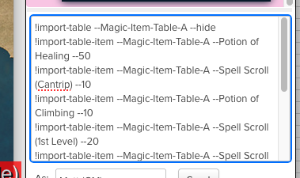
Strixhaven: Curriculum of Chaos | SCC |  |  | Take me to the Tables:
Eberron: Rising from the Last War | ERLW |  |  | Original DMG | The original DMG tables are provided with no alterations.
Explorer's Guide to Wildemount | EGW |  |  | Table A Common | Every other sheet has altered tables to varying degrees. All items from primary supplements are included. Most items from official adventures and settings are included. Most highly specific setting items are not.
Tal'Dorei Campaign Setting | TDCS |  |  | Table B Minor Uncommon | The exception to that is for the Eberron setting, because that's the setting I made this for. Further, Eberron specific items are often emphasized.
Mythic Odesseys of Theros | MOT |  |  | Table C Minor Rare | The simplest alterations include additional items without altering probabilities. An example is replacing a Spell Scroll entry with a nested table that randomly chooses between a standard scroll and a Spellwrought Tattoo (from TCE).
Guildmaster's Guide to Ravnica | GGR |  |  | Table D Minor Very Rare | Another example randomizes the spells on the scrolls, rather than whatever is implied by the DMG on how to choose.
Tyranny of Dragons | ToD |  |  | Table E Minor Legendary | Alterations grow from there. A good example is found on Table B, where 18 distinct items originally made up 20% of the table.
Waterdeep: Dragon Heist | WDH |  |  | Table F Major Uncommon | To include new items, all of the original items are combined into a single entry called Items-B with a probability of 20%. Items-B can then be a table of 25+ items, made of old and new items.
Waterdeep: Dungeon of the Mad Mage | WDMM |  |  | Table G Major Rare | Meanwhile potions remain 50% of the table, and Potions of Greater Healing 25% of that. Their original probability of 15% has only dropped to 12.5% despite the addition of dozens of new items.
Icewind Dale: Rime of the Frostmaiden | IWD |  |  | Table H Major Very Rare | Items can be added or subtracted from all the other categories without affecting the overall chance of Potions.
Wild Beyond the Witchlight | WBtW |  |  | Table I Major Legendary | Table alterations get much more complicated. On Table F, Spellcaster Focuses only made up 4% of the entries with two items. But Tasha's Cauldron provided a ton of new options.
Tales from the Yawning Portal | TYP |  |  | All Spells | The simple approach would be to create a nested table with a 4% probability, and include all 10+ new options on that table. But that makes these (very fun) new items individually unlikely.
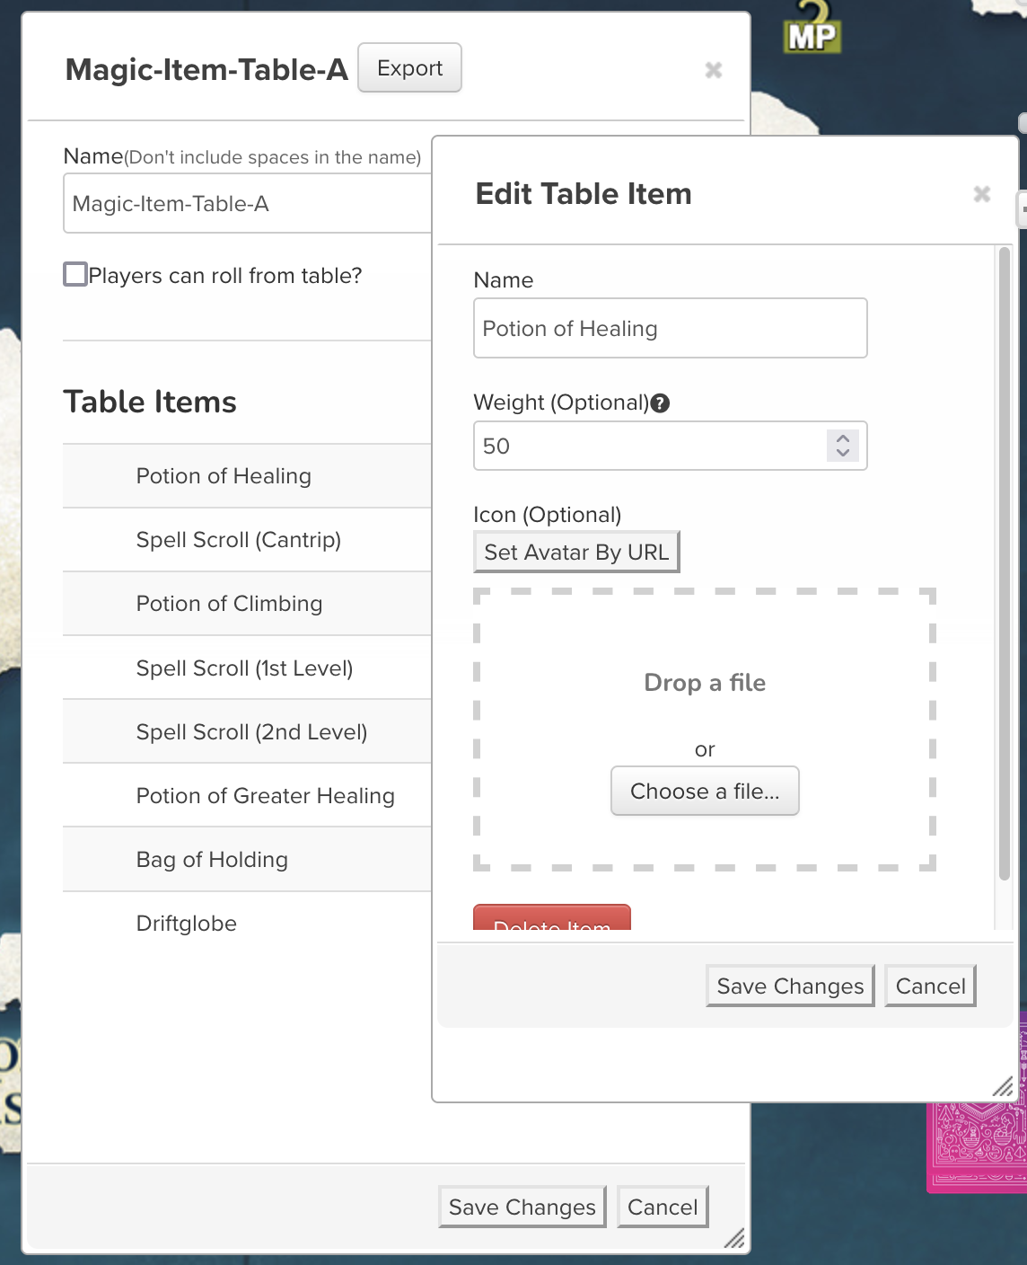
Storm King's Thunder | SKT |  |  | Supplemental Types | Instead, the 18 different Arms and the 17 different Spellcaster items each receive a 15% probability. Apparel and Misc with 26 and 27 items respectively get 25% each, and the 16 different Jewelry items get 15% each.
Princes of the Apocalypse | PotA |  |  |  | Armor, with only 3 items, receives 5% of the table. Adamantine Armor can be determined randomly or chosen by the DM, but one downside to fully random systems is the probablities of individual generic versions.
Lost Mine of Phandelver | LMoP |  |  |  | There are supplemental tables with highly arbitrary weights between the various types of armor, weapons, etc. DMs should feel free to use any combination of choosing items and choosing tables.
Phandelver and Below | PaB |  |  |  | One enormous benefit to splitting the table is the ability to pick and choose by category. There is no need to roll on the entire table if you're just looking for a Magic Weapon specifically.
Ghosts of Saltmarsh | GoS |  |  |  | This benefit also extends to magic item vendors. A mysterious traveler might have a magical ring for sale, and the DM doesn't have to determine exactly which one on their own, or keep re-rolling on +1 Swords just to find a ring.
Tomb of Annihilation | ToA
Candlekeep Mysteries | CM |  |  |  | The workbook is full of hyperlinks to various nested tables. You're welcome to alter whatever you want, like adding/removing items or altering weights, but if you move the columns themselves the hyperlinks will start falling apart.
Call of the Netherdeep | CotN
Out of the Abyss | OotA
Book of Many Things | BMT
Exploring Eberron | ExE

